Sheet1
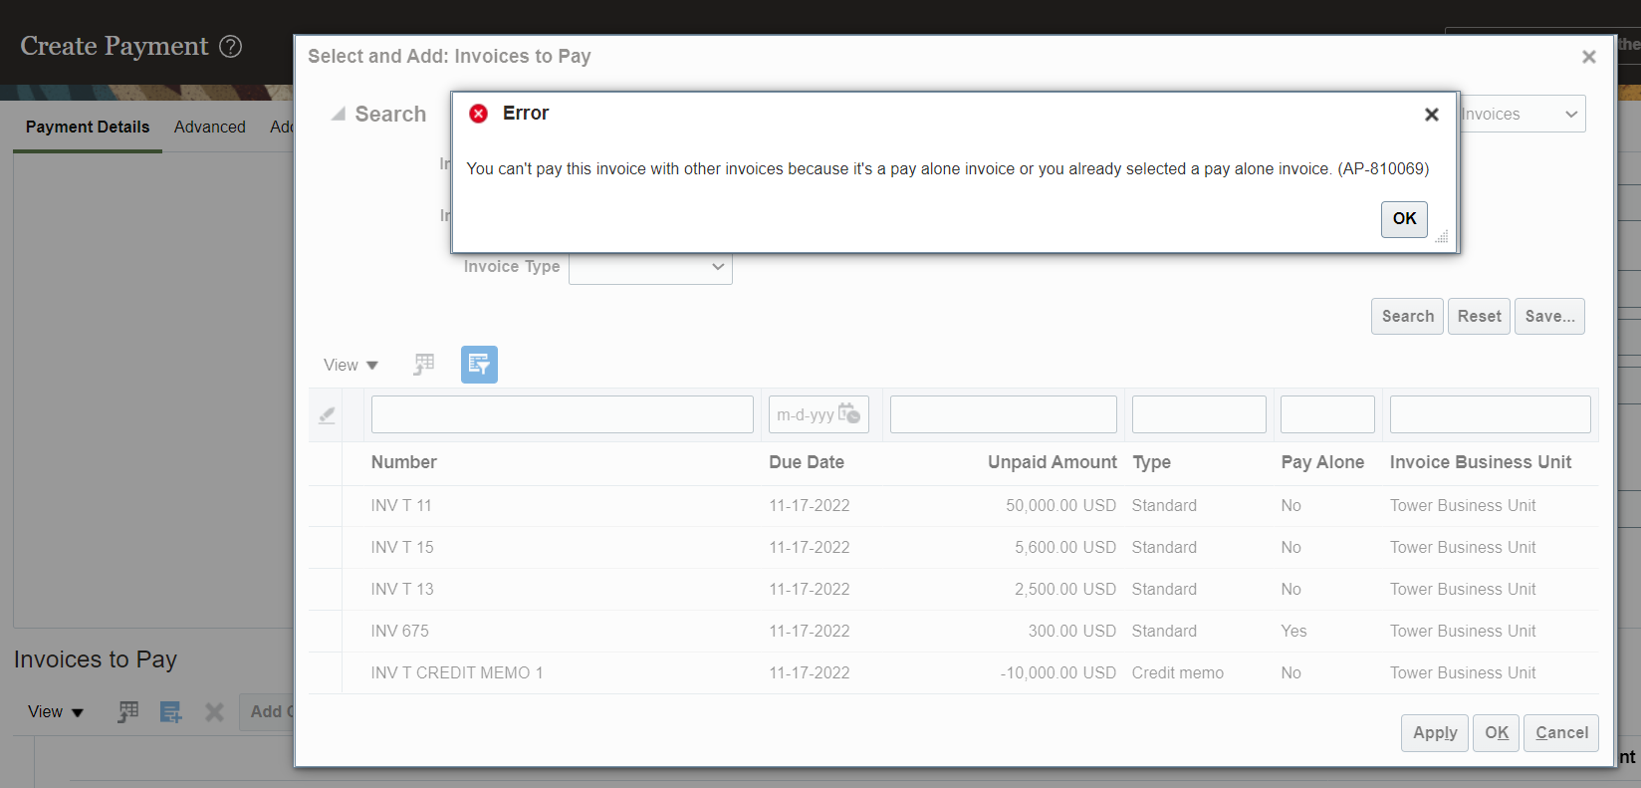
Prepayment Invoice
* Giving the money to the supplier in Advance. |  | Status of Prepayment Invoice |  | Status
Create Prepayment Invoice with 25,000 $. |  | *After validation of prepayment invoice |  | Unpaid
Process Payment for Prepayment Invoice: 25,000 $. |  | *When we create payment for prepayment invoice |  | Available
Create Standard Invoice : 10,000 $. |  | *If you don’t checked the check box called
Apply Prepayment on Standard Invoice |  | Allow prepayment Application |  | Permanent Prepayment
Two types of prepayment |  | If you check the check box called "Allow prepayment application" then it is "Temporary Prepayment".
1. We can use that Advance to pay the invoices
2. Supplier can keep it as security deposit. We cannot use this amount against invoices again we have to pay for the goods seperately
Enable "Show available prepayments during invoice entry" in invoice options.
*If you select the Invoice Type as "Prepayment" then system will select the payment terms which are in "Manage Invoice Options"
*At the invoice line level system will take distribution combination from "Manage Common Options for Payables and Procurement".
*If you check the checkbox called "Allow Prepayment application" then that is temporary prepayment
Setups
Invoice Options | Task | Manage Invoice Options | >> | In Invoice options in prepayment section we have to check the
 |  |  |  | checkbox "Show available prepayments during invoice entry".
 |  |  | >> | Whenever we are creating prepayment invoice we have to
 |  |  |  | use "Immediate" payment terms.
 |  |  | >> | After how many days we have to use the prepayment we can
 |  |  |  | mention the days in settlement days.

Process
Create Prepayment Invoice | Path | Payables >> Invoices >> Taskpane >> Create Invoice
* At Invoice Header level if you check the checkbox called "Allow Prepayment application" then it is temporary prepayment.
* At Invoice Header level if you uncheck the checkbox called "Allow Prepayment application" then it is permanent prepayment.
* When you have validated the prepayment invoice the status of the invoice is unpaid.
* After making the payment of prepayment invoice the status of the invoice is " Available".

Prepayment Accounting Entries
When we create Prepayment Invoice
Prepaid Expense | Debit
Liability | Credit
When we make the Prepayment Invoice

If you want to know the prepayment for which Invoices you have applied then you have to run this job in scheduled process
To see the Prepayments which are
applied to Invoices | Job | Prepayment Remittance Notice
Pay Alone
Scenerio
Your supplier is saying that we have to issue separate cheque.
* By using this Pay Alone functionality we can pay invoices with separate documents. For each invoice we can use separate check document to pay it.
Setups
1. Enable Pay Alone at supplier site level
Path: Procurement >> Suppliers >> Supplier Site >> Payments Tab >> Payment Attributes Tab >> Payment Specifications Tab >> Check the checkbox "Pay Each Invoice Alone".

Process
1. Create 2 Invoices in the system
2. Process the payment for those 2 invoices
* To enable Pay Alone functionality we need to goto supplier site >> Payments >> Payment Attributes >> Payment Specifications >> Enable Pay Each Invoice Alone.
* If you enable Pay Alone functionality at supplier site level then when you try to create payments system will not allow you to select the invoices for payment
Error Message: You cant pay this invoice with other invoices because it’s a pay alone invoice or you already selected a pay alone invoice (AP-810069).
Sol: for this at supplier site level we have enabled pay alone checkbox there you have to uncheck that checkbox so that system will allow to pay other invoices
along with other invoices.

Setups
1. Enable Pay Alone at supplier site level
Path: Procurement >> Suppliers >> Supplier Site >> Payments Tab >> Payment Attributes Tab >> Payment Specifications Tab >> Check the checkbox "Pay Each Invoice Alone".
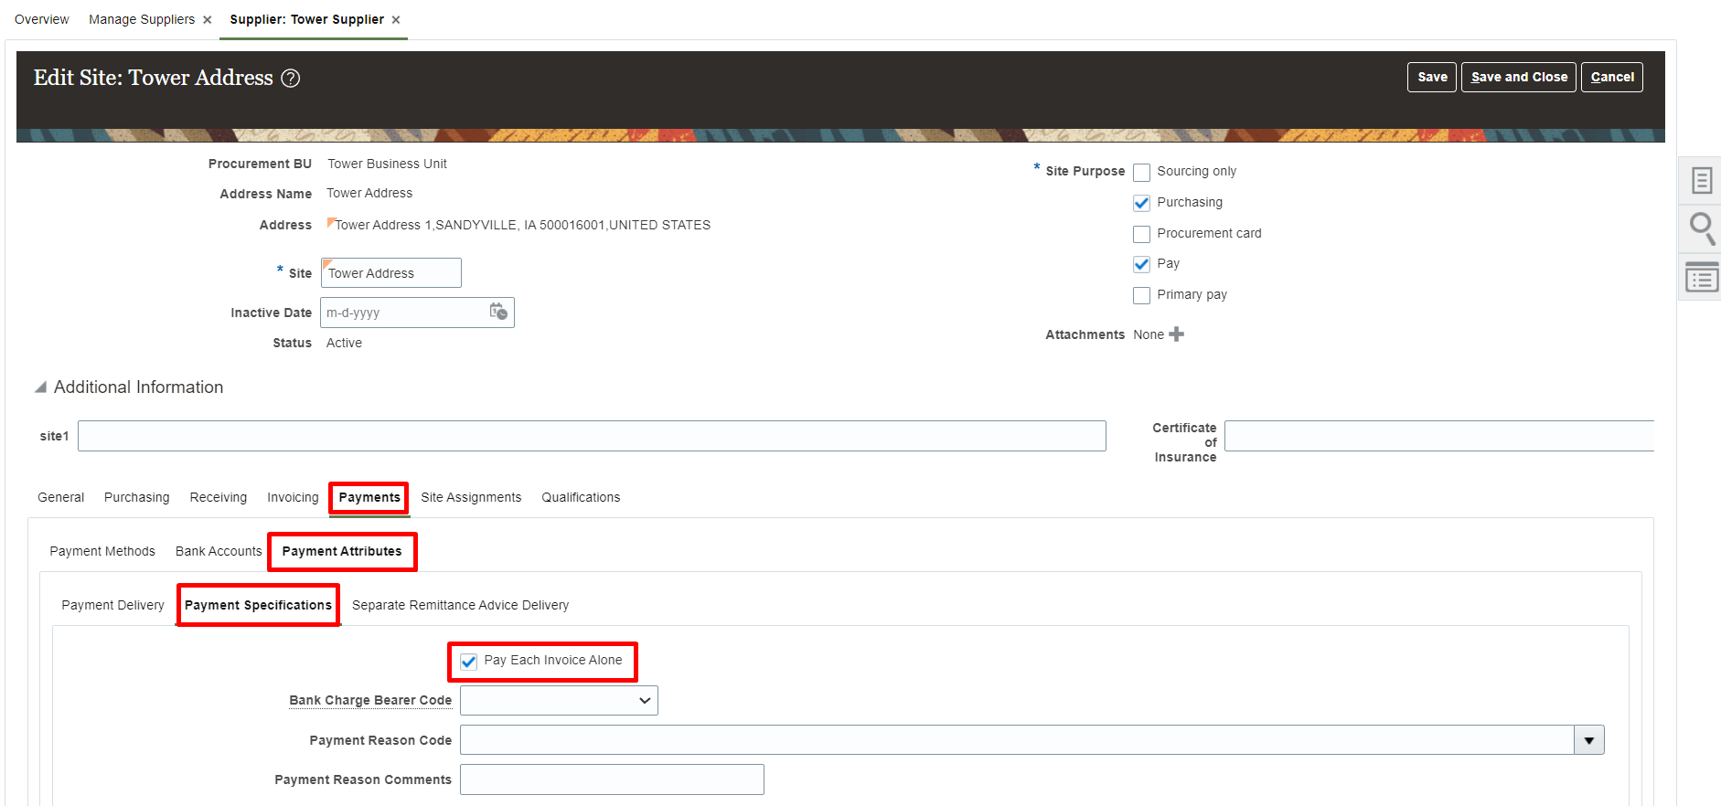

Process
1. Create Invoice
Path: Payables >> Invoices >> Taskpane >> Create Invoices
*In supplier site we have enabled check box so that system is checking the same checkbox at manage installments level.
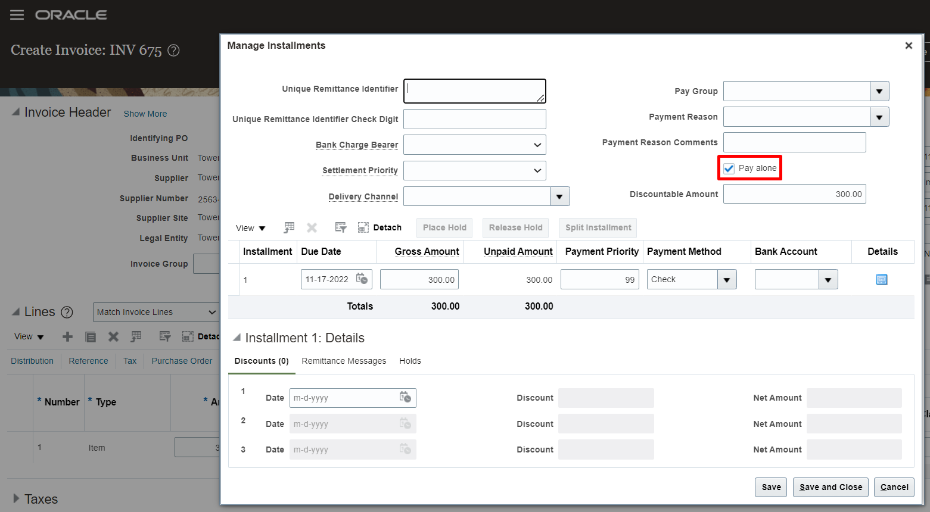

2. Process the payment for invoice
Path: Payables >> Payments >> Taskpane >> Create Payment
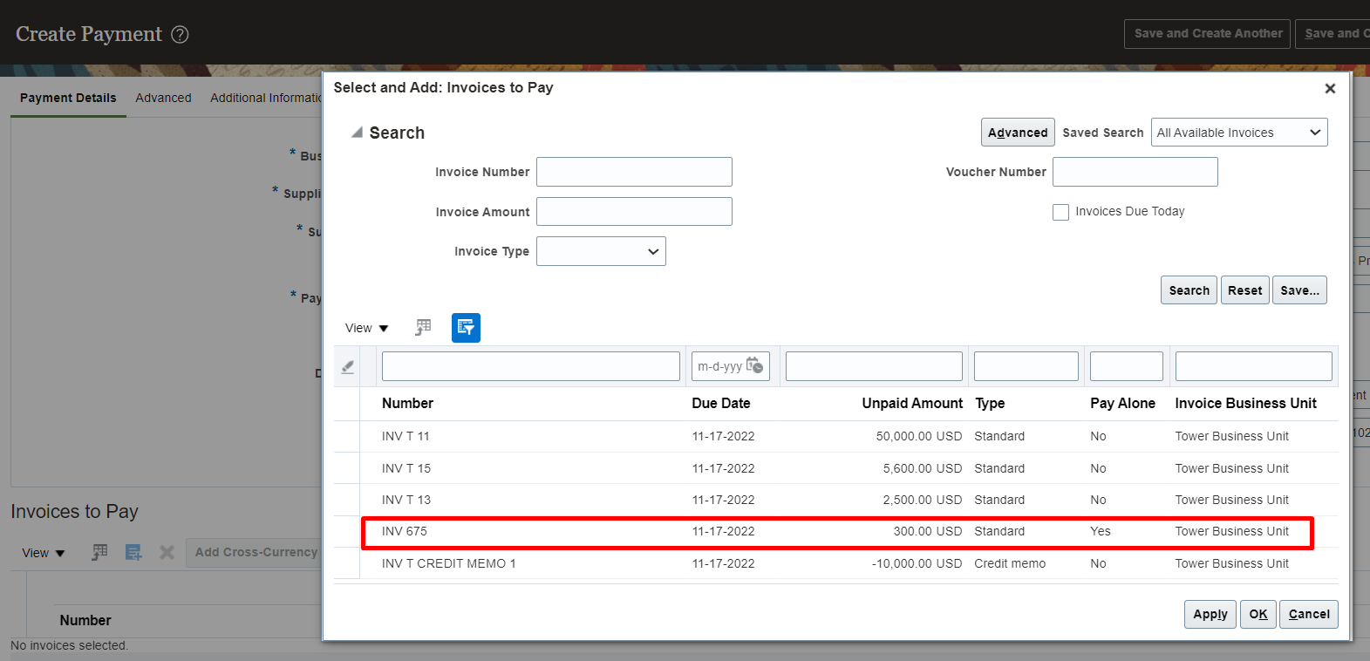

*If you try to pay this invoice with other invoices system will throw an error

